COVER
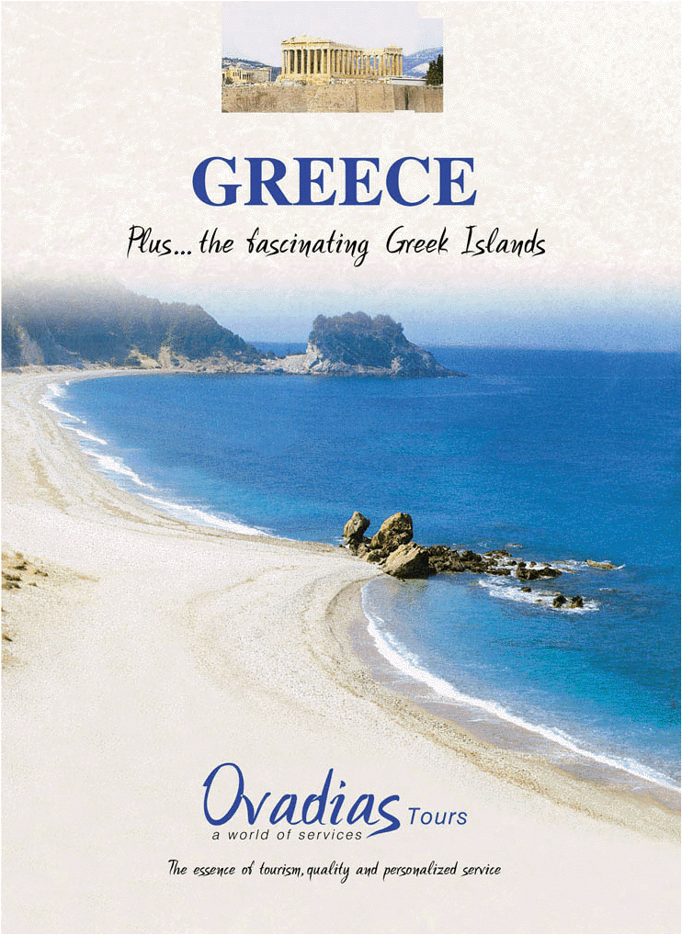

TARIFF 2026
EURO € Currency

INDEX
INDEX

 |  | Pages
ή | General Information & Conditions ……………….. | I
ή | Our Bank Details ………………………………….. | II
ή | Glossary ……………………………………………. | III
ή | Transfer Rates ……………………………………… | IV – V – VI

Hotels Price List
ή | ATHENS ………………………………………….. | 1-20
ή | AEGINA ………….……………………………….. | 22
ή | ARACHOVA ……….…………………………….. | 23
ή | CEPHALONIA ……….…………………………… | 24
ή | CHALKIDIKI ..……….…………………………… | 26
ή | CORFU ……………………………………………. | 29-32
ή | CRETE …………………………………………….. | 34-43
ή | DELPHI ...………………………………………… | 46-47
ή | EVIA …......………………………………………… | 48
 | GYTHEIO ……………………………….. | 49
ή | HYDRA ..…………………………………………… | 50
ή | IOANNINA .………………………………………… | 51
ή | IOS …………………………………………………. | 52-53
 | KALAMATA | 54
ή | KALAMBAKA ..……………………………………. | 55-56
ή | KAVALA …....…..…………………………………. | 57
ή | KOS ………………………………………………… | 58
ή | LOUTRAKI ………………………………………… | 59
ή | MYKONOS ………………………………………… | 60-69
ή | NAFPLIO ...………………………………………… | 70-71
ή | NAXOS …...………………………………………… | 72-74
ή | OLYMPIA ...………………………………………… | 75
ή | PATRA ......………………………………………… | 77
ή | PAROS …………………………………………….. | 79-83
ή | PATMOS .………………………………………….. | 84
ή | POROS ..………………………………………….. | 85
 | PYLOS ……………………..……………………… | 86
ή | RHODES …………………………………………… | 87-91
ή | SAMOS …………………………………………….. | 92
ή | SANTORINI ………………………………………… | 94-106
ή | SKIATHOS …………………………………………. | 107-108
ή | SKOPELOS …..……………………………………. | 109-110
ή | SYROS …...…………………………………………. | 111
ή | THESSALONIKI ...…………………………………. | 112-116
ή | ZAKYNTHOS ………………………………………. | 117-118

